Disponibilità
 |  |  |  |  |  |  |  |  | 6450 |  |  | € 85.91 | € 554,150.10
PHOTO | ARTICLE | DESCRIPTION | XS | S | M | L | XL | XXL | TOTAL | MADE IN | COMPOSITION | RRP | TOTAL RRP
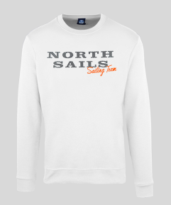 | 9022970101 | MAN ROUNDNECK SWEATER - WHITE |  | 22 | 70 | 70 | 75 | 25 | 262 | TN | 80%CO 20%PL | € 79.99 | € 20,957.38
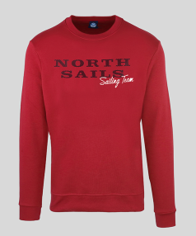 | 9022970230 | MAN ROUNDNECK SWEATER - RED |  |  | 25 | 25 | 26 |  | 76 | TN | 80%CO 20%PL | € 79.99 | € 6,079.24
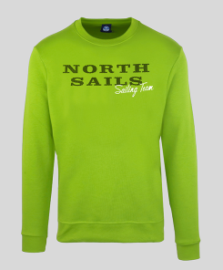 | 9022970453 | MAN ROUNDNECK SWEATER - LIME GREEN |  | 9 | 21 | 25 | 25 |  | 80 | TN | 80%CO 20%PL | € 79.99 | € 6,399.20
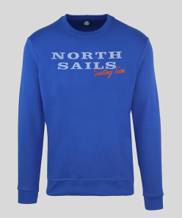 | 9022970760 | MAN ROUNDNECK SWEATER - OCEAN BLUE |  | 18 | 50 | 35 | 45 | 22 | 170 | TN | 80%CO 20%PL | € 79.99 | € 13,598.30
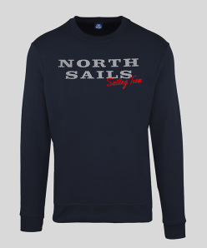 | 9022970800 | MAN ROUNDNECK SWEATER - NAVY |  | 23 | 56 | 36 | 38 | 20 | 173 | TN | 80%CO 20%PL | € 79.99 | € 13,838.27
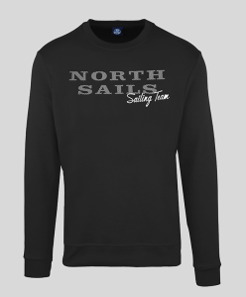 | 9022970999 | MAN ROUNDNECK SWEATER - BLACK |  | 43 | 96 | 96 | 144 | 55 | 434 | TN | 80%CO 20%PL | € 79.99 | € 34,715.66
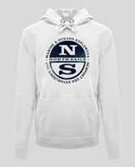 | 9022980101 | MAN HOODED SWEATER - WHITE |  |  |  | 16 | 16 |  | 32 | TN | 80%CO 20%PL | € 89.99 | € 2,879.68
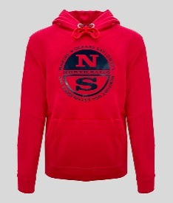 | 9022980230 | MAN HOODED SWEATER - RED |  |  | 13 | 4 | 15 |  | 32 | TN | 80%CO 20%PL | € 89.99 | € 2,879.68
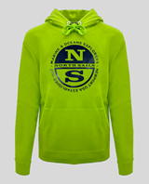 | 9022980453 | MAN HOODED SWEATER - LIME GREEN |  |  | 15 | 15 | 15 |  | 45 | TN | 80%CO 20%PL | € 89.99 | € 4,049.55
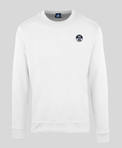 | 9024070101 | MAN ROUNDNECK SWEATER - WHITE |  | 2 | 26 | 25 | 25 |  | 78 | TN | 80%CO 20%PL | € 69.99 | € 5,459.22
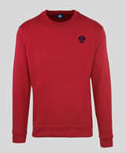 | 9024070230 | MAN ROUNDNECK SWEATER - RED |  | 15 | 34 | 33 | 39 | 11 | 132 | TN | 80%CO 20%PL | € 69.99 | € 9,238.68
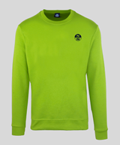 | 9024070453 | MAN ROUNDNECK SWEATER - LIME GREEN |  | 17 | 39 | 25 | 50 | 17 | 148 | TN | 80%CO 20%PL | € 69.99 | € 10,358.52
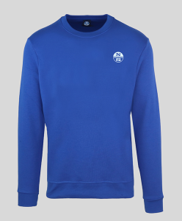 | 9024070760 | MAN ROUNDNECK SWEATER - OCEAN BLUE |  | 25 | 75 | 78 | 69 | 25 | 272 | TN | 80%CO 20%PL | € 69.99 | € 19,037.28
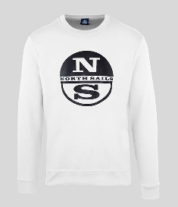 | 9024130101 | MAN ROUNDNECK SWEATER - WHITE |  | 25 | 50 | 74 | 75 | 25 | 249 | TN | 80%CO 20%PL | € 85.00 | € 21,165.00
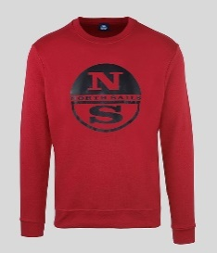 | 9024130230 | MAN ROUNDNECK SWEATER - RED |  | 25 | 25 | 25 | 25 |  | 100 | TN | 80%CO 20%PL | € 85.00 | € 8,500.00
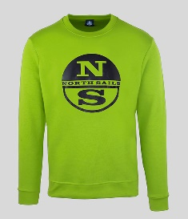 | 9024130453 | MAN ROUNDNECK SWEATER - LIME GREEN |  |  | 20 | 11 | 25 | 25 | 81 | TN | 80%CO 20%PL | € 85.00 | € 6,885.00
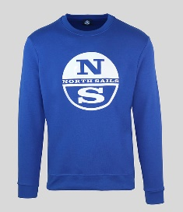 | 9024130760 | MAN ROUNDNECK SWEATER - OCEAN BLUE |  | 25 | 50 | 25 | 50 | 22 | 172 | TN | 80%CO 20%PL | € 85.00 | € 14,620.00
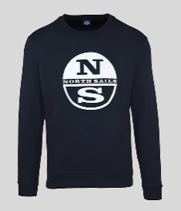 | 9024130800 | MAN ROUNDNECK SWEATER - NAVY |  |  | 37 | 40 | 38 | 30 | 145 | TN | 80%CO 20%PL | € 85.00 | € 12,325.00
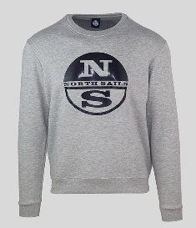 | 9024130926 | MAN ROUNDNECK SWEATER - GREY MEL. |  | 20 | 50 | 43 | 48 | 21 | 182 | TN | 80%CO 20%PL | € 85.00 | € 15,470.00
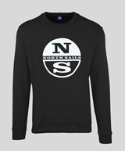 | 9024130999 | MAN ROUNDNECK SWEATER - BLACK |  | 31 | 63 | 59 | 69 | 30 | 252 | TN | 80%CO 20%PL | € 85.00 | € 21,420.00
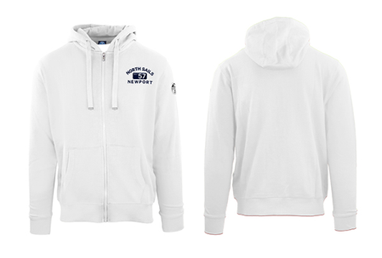 | 902299TR0101 | FELPA UOMO ZIP+CAPPUCCIO - WHITE |  | 24 | 54 | 40 | 57 | 20 | 195 | TR | 80%CO 20%PL | € 99.99 | € 19,498.05
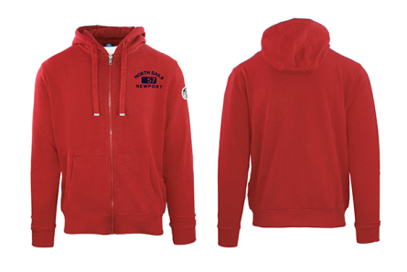 | 902299TR0230 | FELPA UOMO ZIP+CAPPUCCIO - RED |  | 3 | 10 | 5 | 20 | 4 | 42 | TR | 80%CO 20%PL | € 99.99 | € 4,199.58
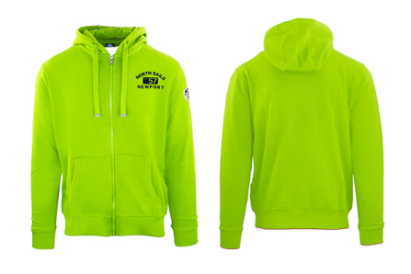 | 902299TR0453 | FELPA UOMO ZIP+CAPPUCCIO - LIME GREEN |  | 15 | 43 | 23 | 24 | 14 | 119 | TR | 80%CO 20%PL | € 99.99 | € 11,898.81
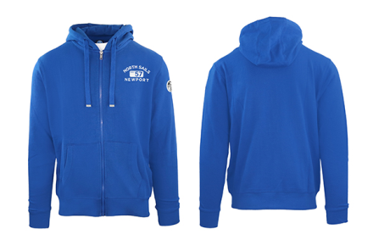 | 902299TR0760 | FELPA UOMO ZIP+CAPPUCCIO - ROYAL |  | 12 | 14 | 13 | 14 | 9 | 62 | TR | 80%CO 20%PL | € 99.99 | € 6,199.38
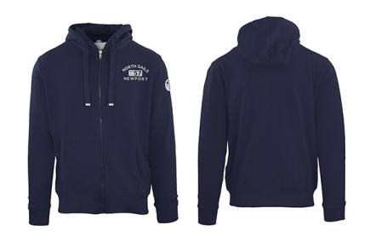 | 902299TR0800 | FELPA UOMO ZIP+CAPPUCCIO - NAVY |  | 20 | 40 | 40 | 40 | 18 | 158 | TR | 80%CO 20%PL | € 99.99 | € 15,798.42
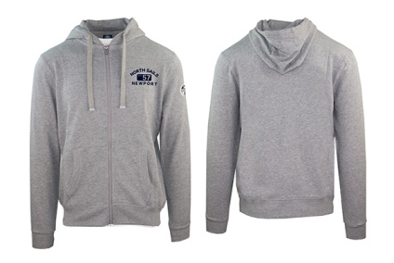 | 902299TR0926 | FELPA UOMO ZIP+CAPPUCCIO - GREY MEL. |  | 11 | 25 | 34 | 31 | 14 | 115 | TR | 80%CO 20%PL | € 99.99 | € 11,498.85
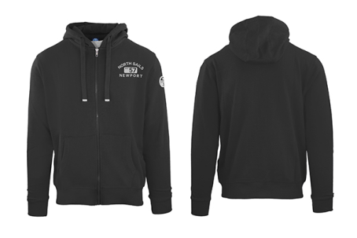 | 902299TR0999 | FELPA UOMO ZIP+CAPPUCCIO - BLACK |  | 10 | 20 | 20 | 20 | 8 | 78 | TR | 80%CO 20%PL | € 99.99 | € 7,799.22
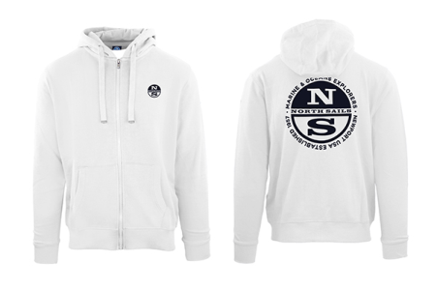 | 902416TR0101 | FELPA UOMO ZIP+CAPPUCCIO - WHITE |  | 16 | 35 | 30 | 34 | 11 | 126 | TR | 80%CO 20%PL | € 95.00 | € 11,970.00
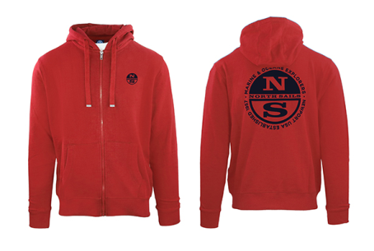 | 902416TR0230 | FELPA UOMO ZIP+CAPPUCCIO - RED |  | 8 | 16 | 15 | 16 | 7 | 62 | TR | 80%CO 20%PL | € 95.00 | € 5,890.00
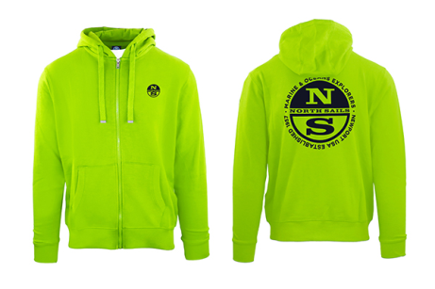 | 902416TR0453 | FELPA UOMO ZIP+CAPPUCCIO - LIME GREEN |  | 8 | 20 | 20 | 28 | 10 | 86 | TR | 80%CO 20%PL | € 95.00 | € 8,170.00
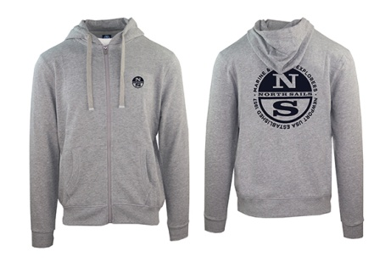 | 902416TR0926 | FELPA UOMO ZIP+CAPPUCCIO - GREY MEL. |  | 10 | 20 | 20 | 30 | 10 | 90 | TR | 80%CO 20%PL | € 95.00 | € 8,550.00
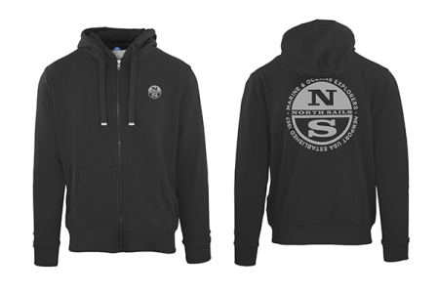 | 902416TR0999 | FELPA UOMO ZIP+CAPPUCCIO - BLACK |  | 21 | 30 | 35 | 41 | 6 | 133 | TR | 80%CO 20%PL | € 95.00 | € 12,635.00
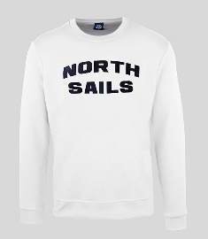 | 9024170101 | MAN ROUNDNECK SWEATER - WHITE |  | 66 | 105 | 105 | 75 | 37 | 388 | TN | 80%CO 20%PL | € 85.00 | € 32,980.00
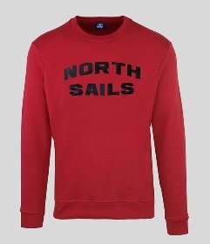 | 9024170230 | MAN ROUNDNECK SWEATER - RED |  | 29 | 60 | 59 | 64 | 39 | 251 | TN | 80%CO 20%PL | € 85.00 | € 21,335.00
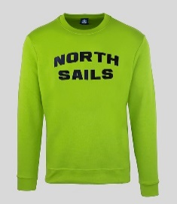 | 9024170453 | MAN ROUNDNECK SWEATER - LIME GREEN |  | 16 | 41 | 40 | 41 | 25 | 163 | TN | 80%CO 20%PL | € 85.00 | € 13,855.00
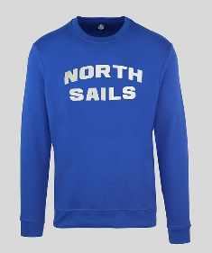 | 9024170760 | MAN ROUNDNECK SWEATER - OCEAN BLUE |  | 60 | 125 | 125 | 140 | 68 | 518 | TN | 80%CO 20%PL | € 85.00 | € 44,030.00
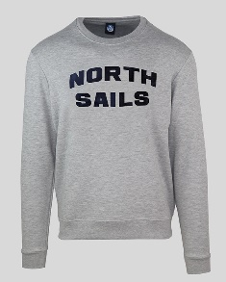 | 9024170926 | MAN ROUNDNECK SWEATER - GREY MEL. |  |  |  |  |  |  | 0 | TN | 80%CO 20%PL | € 85.00 | € -
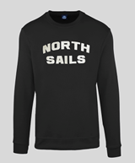 | 9024170999 | MAN ROUNDNECK SWEATER - BLACK |  | 35 | 128 | 115 | 128 | 56 | 462 | TN | 80%CO 20%PL | € 85.00 | € 39,270.00
 | 9024160101 | MAN SWEATSHIRT - WHITE |  | 2 | 19 | 24 | 17 | 1 | 63 | TR | 80%CO 20%PL | € 99.99 | € 6,299.37
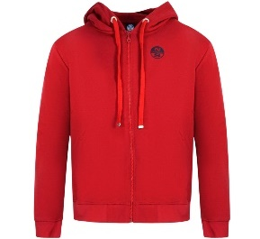 | 9024160230 | MAN SWEATSHIRT - RED |  | 10 | 10 | 6 |  | 11 | 37 | TR | 80%CO 20%PL | € 99.99 | € 3,699.63
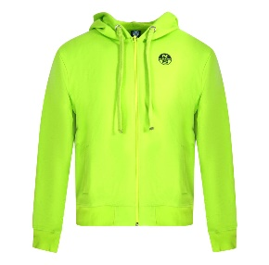 | 9024160453 | MAN SWEATSHIRT - LIME GREEN |  |  | 15 | 15 | 16 |  | 46 | TR | 80%CO 20%PL | € 99.99 | € 4,599.54
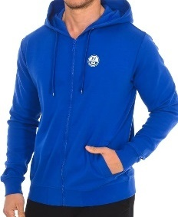 | 9024160760 | MAN SWEATSHIRT - OCEAN BLUE |  |  | 18 | 7 | 14 |  | 39 | TR | 80%CO 20%PL | € 99.99 | € 3,899.61
 | 9024160926 | MAN SWEATSHIRT - GREY MELANGE |  | 18 | 17 |  |  |  | 35 | TR | 80%CO 20%PL | € 99.99 | € 3,499.65
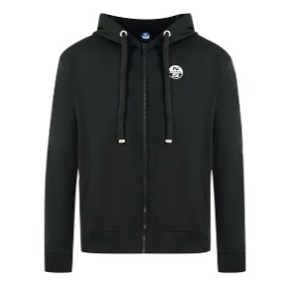 | 9024160999 | MAN SWEATSHIRT - BLACK |  | 20 | 18 |  | 24 | 5 | 67 | TR | 80%CO 20%PL | € 99.99 | € 6,699.33

